Indices

 | Iraq Stock Exchange
 | Bulletin No (219)

 | ISX Trading Indices of Sunday 7/12/2025

 | Traded Volume and OTC |  | 320,960,525 |  | Traded Value and OTC |  | 955,163,457 |  | Traders | 857

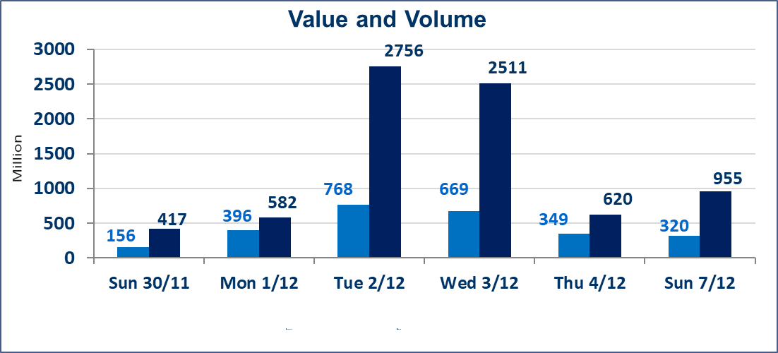
 | ISX Index 60 |  |  | 946.96 | ISX Index 15 |  |  | 1180.54
 | Previous ISX Index60 |  |  | 948.68 | Previous ISX Index15 |  |  | 1185.42
 | Change % |  |  | -0.18 | Change % |  |  | -0.41
 | Change |  |  | -1.72 | Change |  |  | -4.88

 | Listed Companies | 104 | OTC | 14 | Non Traded listed | 38 | OTC | 11
 | Traded Listed Companies | 53 | OTC | 1 | Higher Companies |  |  | 10
 | GAM Companies |  |  | 3 | Lower Companies |  |  | 22
 | Suspended Companies |  |  | 10
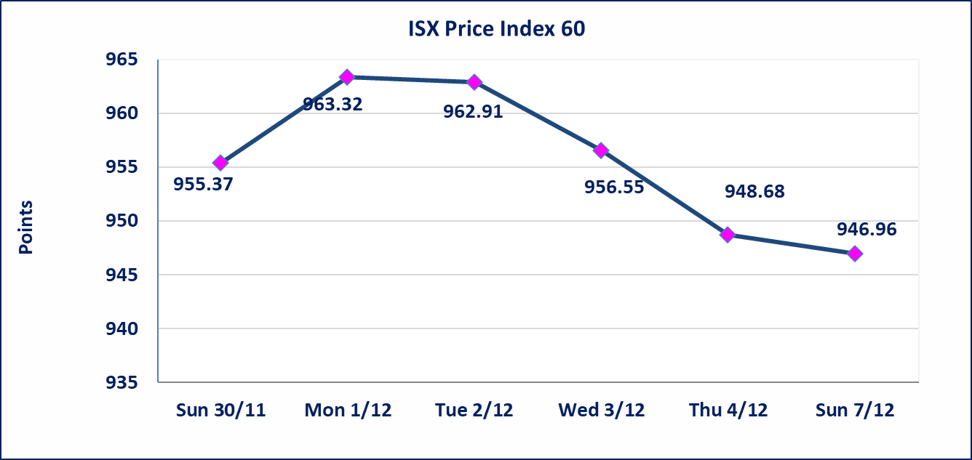
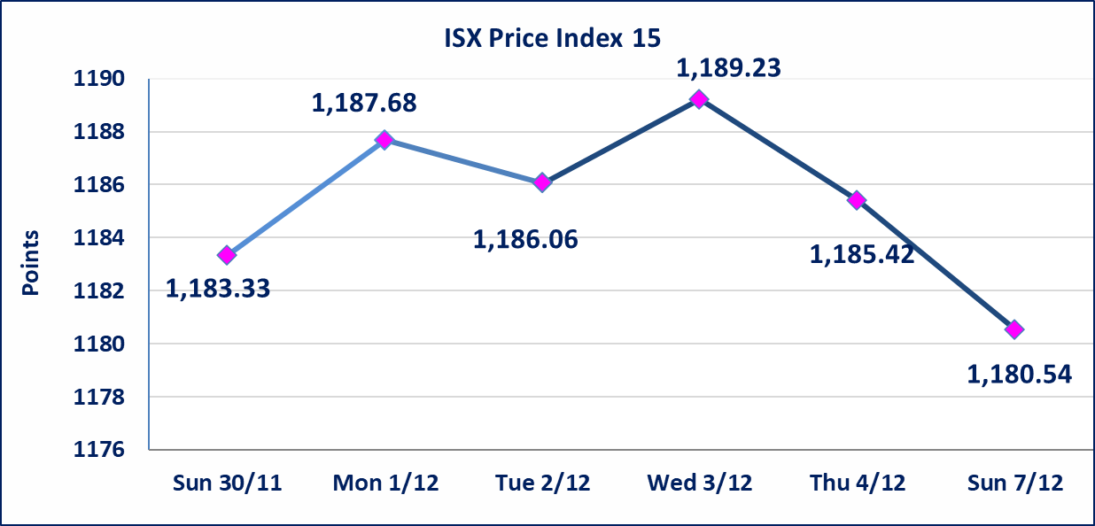

Al-Alwiya P.O . 3607 Mobile: 07711211522 - 07270094594 - 07834000034 E-mail: info-isx@isx-iq.net Web site:www.isx-iq.net

Top 5
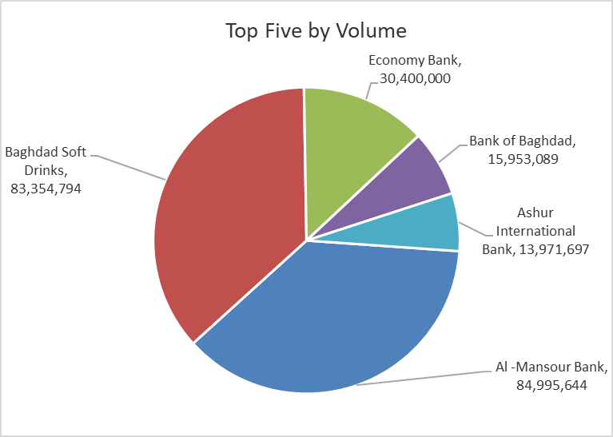
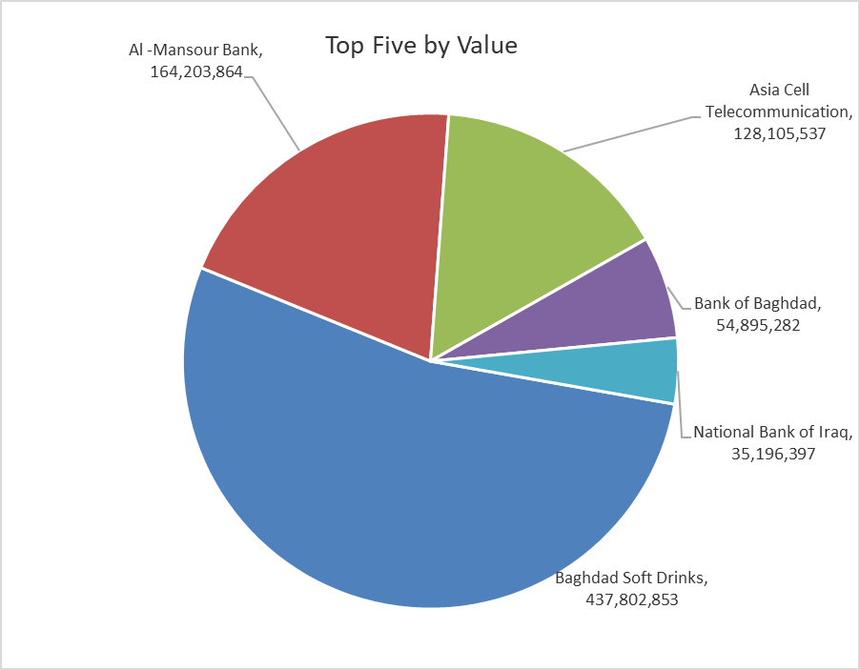
ISX top ganing and losing companies
Sunday 7/12/2025
Gainers |  |  |  | Losers
Company Name | Closing Price | Change (%) | Traded Volume | Company Name | Closing Price | Change (%) | Traded Volume
union Bank of Iraq | 0.220 | 10.00 | 3,786,742 | Babil Animal & Vegetable Production | 9.400 | -14.55 | 38,632
Iraqi Carton Manufactories | 2.400 | 9.09 | 8,703,732 | AL-Anssari Islamic Bank | 0.150 | -11.76 | 1,500,000
Gulf Commercial Bank | 0.290 | 3.57 | 18,000 | Metallic Industries and Bicycles | 1.900 | -9.52 | 100,000
Ready Made Clothes | 2.370 | 3.04 | 759,064 | Agricultural Products Meat | 4.600 | -7.82 | 234,832
Modern for Animal Production | 0.470 | 2.17 | 1,836,369 | Elaf Islamic Bank | 0.260 | -7.14 | 1,000

The most active companies in term of traded volume and value

Traded Volume |  |  |  | Traded Value
Company Name | Closing Price | Change (%) | Traded Volume | Company Name | Closing Price | Change (%) | Traded Value
Al -Mansour Bank | 1.950 | 0.00 | 84,995,644 | Baghdad Soft Drinks | 5.240 | -0.95 | 437,802,853
Baghdad Soft Drinks | 5.240 | -0.95 | 83,354,794 | Al -Mansour Bank | 1.950 | 0.00 | 164,203,864
Economy Bank | 0.220 | -4.35 | 30,400,000 | Asia Cell Telecommunication | 13.110 | -0.15 | 128,105,537
Bank of Baghdad | 3.440 | 0.58 | 15,953,089 | Bank of Baghdad | 3.440 | 0.58 | 54,895,282
Ashur International Bank | 0.260 | 0.00 | 13,971,697 | National Bank of Iraq | 4.600 | -0.86 | 35,196,397

OTC

Iraq Stock Exchange

Sunday 7/12/2025
OTC Platform Trading Bulletin No (219)
Company Name | Code | highest price | lowest price | Average price | No.of Trades | Traded Volume | Traded Value
Banks Sector
Al-Warka Bank | BWAI | 0.080 | 0.080 | 0.080 | 1 | 5,000,000 | 400,000
Total Of Banks Sector |  |  |  |  | 1 | 5,000,000 | 400,000
Total |  |  |  |  | 1 | 5,000,000 | 400,000

Not Trading OTC Companies
Company Name |  |  | Code |  | Previous Average price
Banks Sector
Al-Sanam Islamic Bank |  |  | BSAN |  | 3.000
Hammurabi Commercial Bank |  |  | BHAM |  | ـــــــــــــــــــــــــــــــــــ
Industrial Sector
Kirkuk producing constructional materials |  |  | IKFP |  | 1.260
Money Service Sector
Rabee Securities |  |  | FRSE |  | 9.500
Karmal Brokerage |  |  | FKSX |  | 10.000
Ishtar Gate for e-Paymant |  |  | FISH |  | 1.000
Sama Baghdad Exchange |  |  | FSBE |  | ـــــــــــــــــــــــــــــــــــ
Iraqi Deposit Insurance Corporation |  |  | FIDI |  | ـــــــــــــــــــــــــــــــــــ
Insurance Sector
Al Badia Insurance |  |  | NBAD |  | ـــــــــــــــــــــــــــــــــــ
Shatt Al Arab Insurance |  |  | NSHA |  | 1.000
Dilina Insurance Company |  |  | NDIL |  | ـــــــــــــــــــــــــــــــــــ

Non Iraqis

Iraq Stock Exchange
Non Iraqis' Bulletin Sunday Dec 7 2025
Regular Market

Non Iraqi Trading of Regular Market (Sell)
Company Names | Code | No.of trades | Traded Shares | Trading Volume
Banks Sector
Al-Mansour Bank | BMNS | 19 | 22,320,499 | 43,124,973
Total Bank sector |  | 19 | 22,320,499 | 43,124,973
Industry Sector
Metallic Industries and Bicycles Industries | IMIB | 1 | 100,000 | 190,000
Total Industry sector |  | 1 | 100,000 | 190,000
Grand Total |  | 20 | 22420499 | 43314973

Non Iraqi Trading of Undisclosed Platform (Sell)
Company Names | Code | No.of trades | Traded Shares | Trading Volume
Industry Sector
Al -HiLal Industries | IHLI | 1 | 5,522 | 9,940
Total Industry sector |  | 1 | 5,522 | 9,940
Grand Total |  | 1 | 5522 | 9940

